Suspension Analyzer
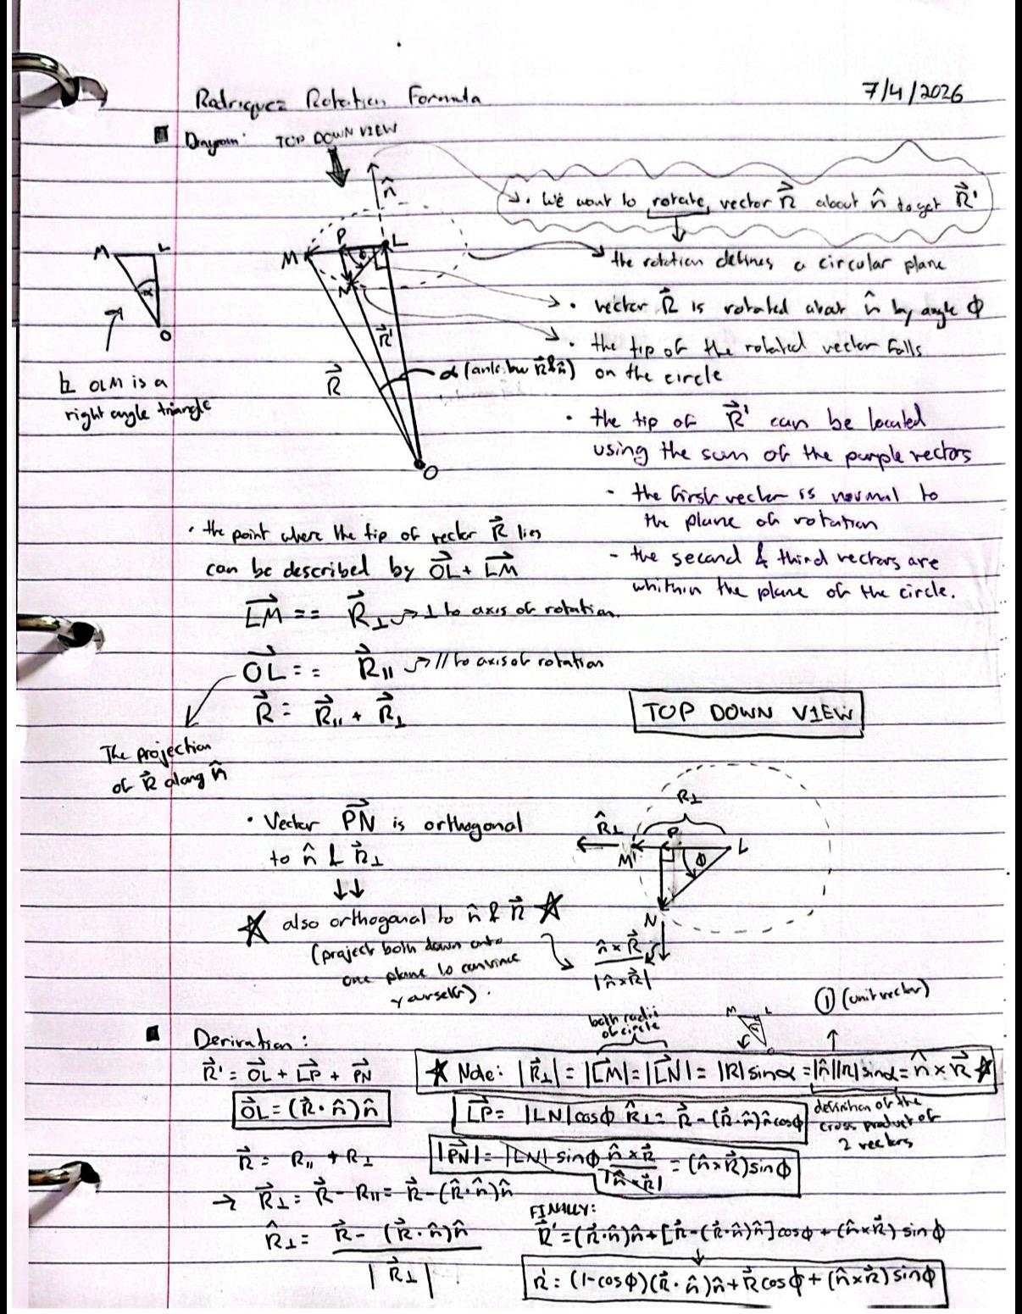
 |  |  |  |  |  |  |  |  |  |  |  |  | Camber offset (deg): |  |  | 0
Suspension Arm Pivot Hardpoints (Inputs) |  |  |  | Steering Hardpoints (Inputs) |  |  |  | Suspension Configuration (Input Values into Suspension Hardpoints) |  |  |  |  | TRAVEL SWEEP: theta_U from -20 to +20 deg
Geometry Inputs | Value | Unit | Description | Geometry Inputs | Value | Unit | Description | Parameter | Front Upper | Front Lower | Rear Upper | Rear Lower | theta_U | UOP_y | UOP_z | D_1 | theta_1 | theta_2 | theta_L | LOP_Y | LOP_Z | KPI | camber | k_x | k_y | k_z | d_beta | arm_xp | arm_yp | arm_zp | dot_k | perp_x | perp_y | perp_z | r_perp | w_x | w_y | w_z | F_x | F_y | F_z | g_x | g_y | g_z | A_coeff | B_coeff | C_coeff | R_amp | delta | phi | head_x | head_y | toe | travel
Y_U | 289 | mm | Upper inboard pickup axis lateral position (from origin) | X_TI |  | mm | Tie rod inboard rod end center longitudinal position | Member Length (mm) | 370 | 380 | 390 | 400 | -20 | #NUM! | #NUM! | #NUM! | #NUM! | #NUM! | #NUM! | #NUM! | #NUM! | #NUM! | #NUM! | #DIV/0! | #NUM! | #NUM! | #NUM! | 0.000 | #NUM! | #NUM! | #DIV/0! | #DIV/0! | #NUM! | #NUM! | #DIV/0! | #NUM! | #NUM! | #DIV/0! | #DIV/0! | #NUM! | #NUM! | #DIV/0! | #NUM! | #NUM! | #DIV/0! | #DIV/0! | #NUM! | #DIV/0! | #DIV/0! | #N/A | #N/A | #N/A | #N/A | #NUM!
Z_U | 350 | mm | Upper inboard pickup axis vertical position (from origin) | Y_TI |  | mm | Tie rod inboard rod end center lateral position | Front Pivot Horizontal Position (Approximate) | 289 | 274 | 289 | 274 | -19 | #NUM! | #NUM! | #NUM! | #NUM! | #NUM! | #NUM! | #NUM! | #NUM! | #NUM! | #NUM! | #DIV/0! | #NUM! | #NUM! | #NUM! | 0.000 | #NUM! | #NUM! | #DIV/0! | #DIV/0! | #NUM! | #NUM! | #DIV/0! | #NUM! | #NUM! | #DIV/0! | #DIV/0! | #NUM! | #NUM! | #DIV/0! | #NUM! | #NUM! | #DIV/0! | #DIV/0! | #NUM! | #DIV/0! | #DIV/0! | #N/A | #N/A | #N/A | #N/A | #NUM!
Y_L | 274 | mm | Lower inboard pickup axis lateral position (from origin) | Z_TI |  | mm | Tie rod inboard rod end center vertical position | Front Pivot Vertical Position | 350 | 350 | 350 | 350 | -18 | #NUM! | #NUM! | #NUM! | #NUM! | #NUM! | #NUM! | #NUM! | #NUM! | #NUM! | #NUM! | #DIV/0! | #NUM! | #NUM! | #NUM! | 0.000 | #NUM! | #NUM! | #DIV/0! | #DIV/0! | #NUM! | #NUM! | #DIV/0! | #NUM! | #NUM! | #DIV/0! | #DIV/0! | #NUM! | #NUM! | #DIV/0! | #NUM! | #NUM! | #DIV/0! | #DIV/0! | #NUM! | #DIV/0! | #DIV/0! | #N/A | #N/A | #N/A | #N/A | #NUM!
Z_L | 200 | mm | Lower inboard pickup axis vertical position (from origin) | arm_x |  | mm | static steering arm vector x magnitude (from LOP to TO) | Front Pivot Longitudinal Position | 360 | 350 | 2180 | 2180 | -17 | #NUM! | #NUM! | #NUM! | #NUM! | #NUM! | #NUM! | #NUM! | #NUM! | #NUM! | #NUM! | #DIV/0! | #NUM! | #NUM! | #NUM! | 0.000 | #NUM! | #NUM! | #DIV/0! | #DIV/0! | #NUM! | #NUM! | #DIV/0! | #NUM! | #NUM! | #DIV/0! | #DIV/0! | #NUM! | #NUM! | #DIV/0! | #NUM! | #NUM! | #DIV/0! | #DIV/0! | #NUM! | #DIV/0! | #DIV/0! | #N/A | #N/A | #N/A | #N/A | #NUM!
L_U |  | mm | Upper arm member length | arm_y |  | mm | static steering arm vector y magnitude (from LOP to TO) | Rear Pivot Horizontal Position (Approximate) | 289 | 274 | 289 | 274 | -16 | #NUM! | #NUM! | #NUM! | #NUM! | #NUM! | #NUM! | #NUM! | #NUM! | #NUM! | #NUM! | #DIV/0! | #NUM! | #NUM! | #NUM! | 0.000 | #NUM! | #NUM! | #DIV/0! | #DIV/0! | #NUM! | #NUM! | #DIV/0! | #NUM! | #NUM! | #DIV/0! | #DIV/0! | #NUM! | #NUM! | #DIV/0! | #NUM! | #NUM! | #DIV/0! | #DIV/0! | #NUM! | #DIV/0! | #DIV/0! | #N/A | #N/A | #N/A | #N/A | #NUM!
L_L |  | mm | Lower arm member length | arm_z |  | mm | static steering arm vector z magnitude (from LOP to TO) | Rear Pivot Vertical Position | 350 | 350 | 350 | 350 | -15 | #NUM! | #NUM! | #NUM! | #NUM! | #NUM! | #NUM! | #NUM! | #NUM! | #NUM! | #NUM! | #DIV/0! | #NUM! | #NUM! | #NUM! | 0.000 | #NUM! | #NUM! | #DIV/0! | #DIV/0! | #NUM! | #NUM! | #DIV/0! | #NUM! | #NUM! | #DIV/0! | #DIV/0! | #NUM! | #NUM! | #DIV/0! | #NUM! | #NUM! | #DIV/0! | #DIV/0! | #NUM! | #DIV/0! | #DIV/0! | #N/A | #N/A | #N/A | #N/A | #NUM!
L_u |  | mm | Upright length (linear distance between upper and lower outboard rod end centers) | static_toe |  | deg | static toe value at straight ahead steering wheel heading | Rear Pivot Longitudinal Position | 620 | 610 | 2440 | 2440 | -14 | #NUM! | #NUM! | #NUM! | #NUM! | #NUM! | #NUM! | #NUM! | #NUM! | #NUM! | #NUM! | #DIV/0! | #NUM! | #NUM! | #NUM! | 0.000 | #NUM! | #NUM! | #DIV/0! | #DIV/0! | #NUM! | #NUM! | #DIV/0! | #NUM! | #NUM! | #DIV/0! | #DIV/0! | #NUM! | #NUM! | #DIV/0! | #NUM! | #NUM! | #DIV/0! | #DIV/0! | #NUM! | #DIV/0! | #DIV/0! | #N/A | #N/A | #N/A | #N/A | #NUM!
X_uf | 360 | mm | Longitudinal position of the upper front pickup (from origin) | Jeb_toe |  | const | the value of toe jeb tell us which of the 2 mathematically possible ways the steering arm points IRL |  |  |  |  |  | -13 | #NUM! | #NUM! | #NUM! | #NUM! | #NUM! | #NUM! | #NUM! | #NUM! | #NUM! | #NUM! | #DIV/0! | #NUM! | #NUM! | #NUM! | 0.000 | #NUM! | #NUM! | #DIV/0! | #DIV/0! | #NUM! | #NUM! | #DIV/0! | #NUM! | #NUM! | #DIV/0! | #DIV/0! | #NUM! | #NUM! | #DIV/0! | #NUM! | #NUM! | #DIV/0! | #DIV/0! | #NUM! | #DIV/0! | #DIV/0! | #N/A | #N/A | #N/A | #N/A | #NUM!
X_ur | 620 | mm | Longitudinal position of the upper rear pickup (from origin) |  |  |  |  | Camber - KPI Offset |  |  |  |  | -12 | #NUM! | #NUM! | #NUM! | #NUM! | #NUM! | #NUM! | #NUM! | #NUM! | #NUM! | #NUM! | #DIV/0! | #NUM! | #NUM! | #NUM! | 0.000 | #NUM! | #NUM! | #DIV/0! | #DIV/0! | #NUM! | #NUM! | #DIV/0! | #NUM! | #NUM! | #DIV/0! | #DIV/0! | #NUM! | #NUM! | #DIV/0! | #NUM! | #NUM! | #DIV/0! | #DIV/0! | #NUM! | #DIV/0! | #DIV/0! | #N/A | #N/A | #N/A | #N/A | #NUM!
X_lf | 350 | mm | Longitudinal position of the lower front pickup (from origin) | Suspension - Steering Reference Intermediate Values |  |  |  | 0 |  |  |  |  | -11 | #NUM! | #NUM! | #NUM! | #NUM! | #NUM! | #NUM! | #NUM! | #NUM! | #NUM! | #NUM! | #DIV/0! | #NUM! | #NUM! | #NUM! | 0.000 | #NUM! | #NUM! | #DIV/0! | #DIV/0! | #NUM! | #NUM! | #DIV/0! | #NUM! | #NUM! | #DIV/0! | #DIV/0! | #NUM! | #NUM! | #DIV/0! | #NUM! | #NUM! | #DIV/0! | #DIV/0! | #NUM! | #DIV/0! | #DIV/0! | #N/A | #N/A | #N/A | #N/A | #NUM!
X_lr | 610 | mm | Longitudinal position of the lower rear pickup (from origin) | Parameter Name | Value | Unit | Description |  |  |  |  |  | -10 | #NUM! | #NUM! | #NUM! | #NUM! | #NUM! | #NUM! | #NUM! | #NUM! | #NUM! | #NUM! | #DIV/0! | #NUM! | #NUM! | #NUM! | 0.000 | #NUM! | #NUM! | #DIV/0! | #DIV/0! | #NUM! | #NUM! | #DIV/0! | #NUM! | #NUM! | #DIV/0! | #DIV/0! | #NUM! | #NUM! | #DIV/0! | #NUM! | #NUM! | #DIV/0! | #DIV/0! | #NUM! | #DIV/0! | #DIV/0! | #N/A | #N/A | #N/A | #N/A | #NUM!
theta_U | 0 | deg | Upper arm angle from horizontal | theta_U0 | 0 | deg | upper arm angle at static ride height |  |  |  |  |  | -9 | #NUM! | #NUM! | #NUM! | #NUM! | #NUM! | #NUM! | #NUM! | #NUM! | #NUM! | #NUM! | #DIV/0! | #NUM! | #NUM! | #NUM! | 0.000 | #NUM! | #NUM! | #DIV/0! | #DIV/0! | #NUM! | #NUM! | #DIV/0! | #NUM! | #NUM! | #DIV/0! | #DIV/0! | #NUM! | #NUM! | #DIV/0! | #NUM! | #NUM! | #DIV/0! | #DIV/0! | #NUM! | #DIV/0! | #DIV/0! | #N/A | #N/A | #N/A | #N/A | #NUM!
 |  |  |  | UOP_y0 | #NUM! | mm | vertical position of upper outboard pivot at static refernce arm angle |  |  |  |  |  | -8 | #NUM! | #NUM! | #NUM! | #NUM! | #NUM! | #NUM! | #NUM! | #NUM! | #NUM! | #NUM! | #DIV/0! | #NUM! | #NUM! | #NUM! | 0.000 | #NUM! | #NUM! | #DIV/0! | #DIV/0! | #NUM! | #NUM! | #DIV/0! | #NUM! | #NUM! | #DIV/0! | #DIV/0! | #NUM! | #NUM! | #DIV/0! | #NUM! | #NUM! | #DIV/0! | #DIV/0! | #NUM! | #DIV/0! | #DIV/0! | #N/A | #N/A | #N/A | #N/A | #NUM!
Calculated Intermediate Suspenion Values |  |  |  | UOP_z0 | #NUM! | mm | vertical position of upper outboard pivot at static refernce arm angle |  |  |  |  |  | -7 | #NUM! | #NUM! | #NUM! | #NUM! | #NUM! | #NUM! | #NUM! | #NUM! | #NUM! | #NUM! | #DIV/0! | #NUM! | #NUM! | #NUM! | 0.000 | #NUM! | #NUM! | #DIV/0! | #DIV/0! | #NUM! | #NUM! | #DIV/0! | #NUM! | #NUM! | #DIV/0! | #DIV/0! | #NUM! | #NUM! | #DIV/0! | #NUM! | #NUM! | #DIV/0! | #DIV/0! | #NUM! | #DIV/0! | #DIV/0! | #N/A | #N/A | #N/A | #N/A | #NUM!
Parameter Name | Value | Unit | Description | D1_0 | #NUM! | mm | diagonal distance from lower inboard pivot to upper outboard point (splits the 4 bar linkage into 2 triangles) at reference angle |  |  |  |  |  | -6 | #NUM! | #NUM! | #NUM! | #NUM! | #NUM! | #NUM! | #NUM! | #NUM! | #NUM! | #NUM! | #DIV/0! | #NUM! | #NUM! | #NUM! | 0.000 | #NUM! | #NUM! | #DIV/0! | #DIV/0! | #NUM! | #NUM! | #DIV/0! | #NUM! | #NUM! | #DIV/0! | #DIV/0! | #NUM! | #NUM! | #DIV/0! | #NUM! | #NUM! | #DIV/0! | #DIV/0! | #NUM! | #DIV/0! | #DIV/0! | #N/A | #N/A | #N/A | #N/A | #NUM!
base_U | 260.000 | mm | longitudinal spacing between the 2 upper inboard pickup points | theta_1_0 | #NUM! | deg | Angle from D1 to horizontal at reference arm angle |  |  |  |  |  | -5 | #NUM! | #NUM! | #NUM! | #NUM! | #NUM! | #NUM! | #NUM! | #NUM! | #NUM! | #NUM! | #DIV/0! | #NUM! | #NUM! | #NUM! | 0.000 | #NUM! | #NUM! | #DIV/0! | #DIV/0! | #NUM! | #NUM! | #DIV/0! | #NUM! | #NUM! | #DIV/0! | #DIV/0! | #NUM! | #NUM! | #DIV/0! | #NUM! | #NUM! | #DIV/0! | #DIV/0! | #NUM! | #DIV/0! | #DIV/0! | #N/A | #N/A | #N/A | #N/A | #NUM!
base_L | 260.000 | mm | longitudinal spacing between the 2 lower inboard pickup points | theta_2_0 | #NUM! | deg | Angle from D1 to lower arm at reference angle |  |  |  |  |  | -4 | #NUM! | #NUM! | #NUM! | #NUM! | #NUM! | #NUM! | #NUM! | #NUM! | #NUM! | #NUM! | #DIV/0! | #NUM! | #NUM! | #NUM! | 0.000 | #NUM! | #NUM! | #DIV/0! | #DIV/0! | #NUM! | #NUM! | #DIV/0! | #NUM! | #NUM! | #DIV/0! | #DIV/0! | #NUM! | #NUM! | #DIV/0! | #NUM! | #NUM! | #DIV/0! | #DIV/0! | #NUM! | #DIV/0! | #DIV/0! | #N/A | #N/A | #N/A | #N/A | #NUM!
R_U | #NUM! | mm | upper arm swing radius | theta_L0 | #NUM! | deg | Lower arm angle from horizontal at reference arm angle |  |  |  |  |  | -3 | #NUM! | #NUM! | #NUM! | #NUM! | #NUM! | #NUM! | #NUM! | #NUM! | #NUM! | #NUM! | #DIV/0! | #NUM! | #NUM! | #NUM! | 0.000 | #NUM! | #NUM! | #DIV/0! | #DIV/0! | #NUM! | #NUM! | #DIV/0! | #NUM! | #NUM! | #DIV/0! | #DIV/0! | #NUM! | #NUM! | #DIV/0! | #NUM! | #NUM! | #DIV/0! | #DIV/0! | #NUM! | #DIV/0! | #DIV/0! | #N/A | #N/A | #N/A | #N/A | #NUM!
R_L | #NUM! | mm | lower arm swing radius | LOP_y0 | #NUM! | mm | lateral position of lower outboard pivot at reference arm angle |  |  |  |  |  | -2 | #NUM! | #NUM! | #NUM! | #NUM! | #NUM! | #NUM! | #NUM! | #NUM! | #NUM! | #NUM! | #DIV/0! | #NUM! | #NUM! | #NUM! | 0.000 | #NUM! | #NUM! | #DIV/0! | #DIV/0! | #NUM! | #NUM! | #DIV/0! | #NUM! | #NUM! | #DIV/0! | #DIV/0! | #NUM! | #NUM! | #DIV/0! | #NUM! | #NUM! | #DIV/0! | #DIV/0! | #NUM! | #DIV/0! | #DIV/0! | #N/A | #N/A | #N/A | #N/A | #NUM!
X_UOP | 490.000 | mm | logitudinal position of the upper outboard pivot on the upright | LOP_z0 | #NUM! | mm | vertical position of lower outboard pivot at reference arm angle |  |  |  |  |  | -1 | #NUM! | #NUM! | #NUM! | #NUM! | #NUM! | #NUM! | #NUM! | #NUM! | #NUM! | #NUM! | #DIV/0! | #NUM! | #NUM! | #NUM! | 0.000 | #NUM! | #NUM! | #DIV/0! | #DIV/0! | #NUM! | #NUM! | #DIV/0! | #NUM! | #NUM! | #DIV/0! | #DIV/0! | #NUM! | #NUM! | #DIV/0! | #NUM! | #NUM! | #DIV/0! | #DIV/0! | #NUM! | #DIV/0! | #DIV/0! | #N/A | #N/A | #N/A | #N/A | #NUM!
X_LOP | 480.000 | mm | logitudinal position of the lower outboard pivot on the upright |  |  |  |  |  |  |  |  |  | 0 | #NUM! | #NUM! | #NUM! | #NUM! | #NUM! | #NUM! | #NUM! | #NUM! | #NUM! | #NUM! | #DIV/0! | #NUM! | #NUM! | #NUM! | 0.000 | #NUM! | #NUM! | #DIV/0! | #DIV/0! | #NUM! | #NUM! | #DIV/0! | #NUM! | #NUM! | #DIV/0! | #DIV/0! | #NUM! | #NUM! | #DIV/0! | #NUM! | #NUM! | #DIV/0! | #DIV/0! | #NUM! | #DIV/0! | #DIV/0! | #N/A | #N/A | #N/A | #N/A | #NUM!
dX | 10.000 | mm | longitudinal distance between upper and lower outboard pivots | Calculated Intermediate Steering Values (3D rotations) |  |  |  |  |  |  |  |  | 1 | #NUM! | #NUM! | #NUM! | #NUM! | #NUM! | #NUM! | #NUM! | #NUM! | #NUM! | #NUM! | #DIV/0! | #NUM! | #NUM! | #NUM! | 0.000 | #NUM! | #NUM! | #DIV/0! | #DIV/0! | #NUM! | #NUM! | #DIV/0! | #NUM! | #NUM! | #DIV/0! | #DIV/0! | #NUM! | #NUM! | #DIV/0! | #NUM! | #NUM! | #DIV/0! | #DIV/0! | #NUM! | #DIV/0! | #DIV/0! | #N/A | #N/A | #N/A | #N/A | #NUM!
D_2 | #NUM! | mm | linear distance between upper and lower outboard points from a front view | Parameter Name | Value | Unit | Description |  |  |  |  |  | 2 | #NUM! | #NUM! | #NUM! | #NUM! | #NUM! | #NUM! | #NUM! | #NUM! | #NUM! | #NUM! | #DIV/0! | #NUM! | #NUM! | #NUM! | 0.000 | #NUM! | #NUM! | #DIV/0! | #DIV/0! | #NUM! | #NUM! | #DIV/0! | #NUM! | #NUM! | #DIV/0! | #DIV/0! | #NUM! | #NUM! | #DIV/0! | #NUM! | #NUM! | #DIV/0! | #DIV/0! | #NUM! | #DIV/0! | #DIV/0! | #N/A | #N/A | #N/A | #N/A | #NUM!
UOP_y | #NUM! | mm | lateral position of upper outboard pivot at current upper arm angle | TO_x | 480.000 | mm | x coordinate of the outer steering rod end |  |  |  |  |  | 3 | #NUM! | #NUM! | #NUM! | #NUM! | #NUM! | #NUM! | #NUM! | #NUM! | #NUM! | #NUM! | #DIV/0! | #NUM! | #NUM! | #NUM! | 0.000 | #NUM! | #NUM! | #DIV/0! | #DIV/0! | #NUM! | #NUM! | #DIV/0! | #NUM! | #NUM! | #DIV/0! | #DIV/0! | #NUM! | #NUM! | #DIV/0! | #NUM! | #NUM! | #DIV/0! | #DIV/0! | #NUM! | #DIV/0! | #DIV/0! | #N/A | #N/A | #N/A | #N/A | #NUM!
UOP_z | #NUM! | mm | vertical position of upper outboard pivot at current upper arm angle | TO_y | #NUM! | mm | y coordinate of the outer steering rod end |  |  |  |  |  | 4 | #NUM! | #NUM! | #NUM! | #NUM! | #NUM! | #NUM! | #NUM! | #NUM! | #NUM! | #NUM! | #DIV/0! | #NUM! | #NUM! | #NUM! | 0.000 | #NUM! | #NUM! | #DIV/0! | #DIV/0! | #NUM! | #NUM! | #DIV/0! | #NUM! | #NUM! | #DIV/0! | #DIV/0! | #NUM! | #NUM! | #DIV/0! | #NUM! | #NUM! | #DIV/0! | #DIV/0! | #NUM! | #DIV/0! | #DIV/0! | #N/A | #N/A | #N/A | #N/A | #NUM!
D_1 | #NUM! | mm | diagonal distance from lower inboard pivot to upper outboard point (splits the 4 bar linkage into 2 triangles) | TO_z | #NUM! | mm | z coordiante of the outer steering rod end |  |  |  |  |  | 5 | #NUM! | #NUM! | #NUM! | #NUM! | #NUM! | #NUM! | #NUM! | #NUM! | #NUM! | #NUM! | #DIV/0! | #NUM! | #NUM! | #NUM! | 0.000 | #NUM! | #NUM! | #DIV/0! | #DIV/0! | #NUM! | #NUM! | #DIV/0! | #NUM! | #NUM! | #DIV/0! | #DIV/0! | #NUM! | #NUM! | #DIV/0! | #NUM! | #NUM! | #DIV/0! | #DIV/0! | #NUM! | #DIV/0! | #DIV/0! | #N/A | #N/A | #N/A | #N/A | #NUM!
theta_1 | #NUM! | deg | Angle from D1 to horizontal | L_tie | #NUM! | mm | tie rod length (distance between TI and TO) |  |  |  |  |  | 6 | #NUM! | #NUM! | #NUM! | #NUM! | #NUM! | #NUM! | #NUM! | #NUM! | #NUM! | #NUM! | #DIV/0! | #NUM! | #NUM! | #NUM! | 0.000 | #NUM! | #NUM! | #DIV/0! | #DIV/0! | #NUM! | #NUM! | #DIV/0! | #NUM! | #NUM! | #DIV/0! | #DIV/0! | #NUM! | #NUM! | #DIV/0! | #NUM! | #NUM! | #DIV/0! | #DIV/0! | #NUM! | #DIV/0! | #DIV/0! | #N/A | #N/A | #N/A | #N/A | #NUM!
theta_2 | #NUM! | deg | Angle from D1 to lower arm | L_dia | 0 | mm | magnitude of the steering arm vector from LOP to TO (|arm_x, arm_y, arm_z|) |  |  |  |  |  | 7 | #NUM! | #NUM! | #NUM! | #NUM! | #NUM! | #NUM! | #NUM! | #NUM! | #NUM! | #NUM! | #DIV/0! | #NUM! | #NUM! | #NUM! | 0.000 | #NUM! | #NUM! | #DIV/0! | #DIV/0! | #NUM! | #NUM! | #DIV/0! | #NUM! | #NUM! | #DIV/0! | #DIV/0! | #NUM! | #NUM! | #DIV/0! | #NUM! | #NUM! | #DIV/0! | #DIV/0! | #NUM! | #DIV/0! | #DIV/0! | #N/A | #N/A | #N/A | #N/A | #NUM!
Jeb_main | -1 | const | the value of jeb tell us which of the 2 mathematically possible ways the linkage folds IRL | k_x | #DIV/0! | mm | kingpin axis unit vector x component at current suspension angle (corresponds to n_hat_x from Rodriguez video) |  |  |  |  |  | 8 | #NUM! | #NUM! | #NUM! | #NUM! | #NUM! | #NUM! | #NUM! | #NUM! | #NUM! | #NUM! | #DIV/0! | #NUM! | #NUM! | #NUM! | 0.000 | #NUM! | #NUM! | #DIV/0! | #DIV/0! | #NUM! | #NUM! | #DIV/0! | #NUM! | #NUM! | #DIV/0! | #DIV/0! | #NUM! | #NUM! | #DIV/0! | #NUM! | #NUM! | #DIV/0! | #DIV/0! | #NUM! | #DIV/0! | #DIV/0! | #N/A | #N/A | #N/A | #N/A | #NUM!
theta_L | #NUM! | deg | Lower arm angle from horizontal | k_y | #NUM! | mm | kingpin axis unit vector y magnitude at current suspension angle (corresponds to n_hat_y from Rodriguez video) |  |  |  |  |  | 9 | #NUM! | #NUM! | #NUM! | #NUM! | #NUM! | #NUM! | #NUM! | #NUM! | #NUM! | #NUM! | #DIV/0! | #NUM! | #NUM! | #NUM! | 0.000 | #NUM! | #NUM! | #DIV/0! | #DIV/0! | #NUM! | #NUM! | #DIV/0! | #NUM! | #NUM! | #DIV/0! | #DIV/0! | #NUM! | #NUM! | #DIV/0! | #NUM! | #NUM! | #DIV/0! | #DIV/0! | #NUM! | #DIV/0! | #DIV/0! | #N/A | #N/A | #N/A | #N/A | #NUM!
LOP_Y | #NUM! | mm | lateral position of lower outboard pivot at current upper arm angle | k_z | #NUM! | mm | kingpin axis unit vector z magnitude at current suspension angle (corresponds to n_hat_z from Rodriguez video) |  |  |  |  |  | 10 | #NUM! | #NUM! | #NUM! | #NUM! | #NUM! | #NUM! | #NUM! | #NUM! | #NUM! | #NUM! | #DIV/0! | #NUM! | #NUM! | #NUM! | 0.000 | #NUM! | #NUM! | #DIV/0! | #DIV/0! | #NUM! | #NUM! | #DIV/0! | #NUM! | #NUM! | #DIV/0! | #DIV/0! | #NUM! | #NUM! | #DIV/0! | #NUM! | #NUM! | #DIV/0! | #DIV/0! | #NUM! | #DIV/0! | #DIV/0! | #N/A | #N/A | #N/A | #N/A | #NUM!
LOP_Z | #NUM! | mm | vertical position of lower outboard pivot at current upper arm angle | beta_0 | #NUM! | deg | KPI angle at reference suspension angle (0 deg upper arm angle?) |  |  |  |  |  | 11 | #NUM! | #NUM! | #NUM! | #NUM! | #NUM! | #NUM! | #NUM! | #NUM! | #NUM! | #NUM! | #DIV/0! | #NUM! | #NUM! | #NUM! | 0.000 | #NUM! | #NUM! | #DIV/0! | #DIV/0! | #NUM! | #NUM! | #DIV/0! | #NUM! | #NUM! | #DIV/0! | #DIV/0! | #NUM! | #NUM! | #DIV/0! | #NUM! | #NUM! | #DIV/0! | #DIV/0! | #NUM! | #DIV/0! | #DIV/0! | #N/A | #N/A | #N/A | #N/A | #NUM!
 |  |  |  | beta | #NUM! | deg | instantaneous KPI value |  |  |  |  |  | 12 | #NUM! | #NUM! | #NUM! | #NUM! | #NUM! | #NUM! | #NUM! | #NUM! | #NUM! | #NUM! | #DIV/0! | #NUM! | #NUM! | #NUM! | 0.000 | #NUM! | #NUM! | #DIV/0! | #DIV/0! | #NUM! | #NUM! | #DIV/0! | #NUM! | #NUM! | #DIV/0! | #DIV/0! | #NUM! | #NUM! | #DIV/0! | #NUM! | #NUM! | #DIV/0! | #DIV/0! | #NUM! | #DIV/0! | #DIV/0! | #N/A | #N/A | #N/A | #N/A | #NUM!
Caluclated Final Values |  |  |  | d_beta | #NUM! | deg | instantaneous anglular displacement of kingpin axis |  |  |  |  |  | 13 | #NUM! | #NUM! | #NUM! | #NUM! | #NUM! | #NUM! | #NUM! | #NUM! | #NUM! | #NUM! | #DIV/0! | #NUM! | #NUM! | #NUM! | 0.000 | #NUM! | #NUM! | #DIV/0! | #DIV/0! | #NUM! | #NUM! | #DIV/0! | #NUM! | #NUM! | #DIV/0! | #DIV/0! | #NUM! | #NUM! | #DIV/0! | #NUM! | #NUM! | #DIV/0! | #DIV/0! | #NUM! | #DIV/0! | #DIV/0! | #N/A | #N/A | #N/A | #N/A | #NUM!
Parameter Name | Value | Unit | Description | arm_x_prime | 0 | mm | instantaneous steering arm vector x component (corresponds to Rx from Rodriguez video) |  |  |  |  |  | 14 | #NUM! | #NUM! | #NUM! | #NUM! | #NUM! | #NUM! | #NUM! | #NUM! | #NUM! | #NUM! | #DIV/0! | #NUM! | #NUM! | #NUM! | 0.000 | #NUM! | #NUM! | #DIV/0! | #DIV/0! | #NUM! | #NUM! | #DIV/0! | #NUM! | #NUM! | #DIV/0! | #DIV/0! | #NUM! | #NUM! | #DIV/0! | #NUM! | #NUM! | #DIV/0! | #DIV/0! | #NUM! | #DIV/0! | #DIV/0! | #N/A | #N/A | #N/A | #N/A | #NUM!
caster | #NUM! | deg | side view angle of the steering axis from vertical | arm_y_prime | #NUM! | mm | instantaneous steering arm vector y component (corresponds to Ry from Rodriguez video) |  |  |  |  |  | 15 | #NUM! | #NUM! | #NUM! | #NUM! | #NUM! | #NUM! | #NUM! | #NUM! | #NUM! | #NUM! | #DIV/0! | #NUM! | #NUM! | #NUM! | 0.000 | #NUM! | #NUM! | #DIV/0! | #DIV/0! | #NUM! | #NUM! | #DIV/0! | #NUM! | #NUM! | #DIV/0! | #DIV/0! | #NUM! | #NUM! | #DIV/0! | #NUM! | #NUM! | #DIV/0! | #DIV/0! | #NUM! | #DIV/0! | #DIV/0! | #N/A | #N/A | #N/A | #N/A | #NUM!
KPI | #NUM! | deg | (Kingpin inclination) front view angle between the steering axis and horizontal | arm_z_prime | #NUM! | mm | instantaneous steering arm vector z component (corresponds to Rz from Rodriguez video) |  |  |  |  |  | 16 | #NUM! | #NUM! | #NUM! | #NUM! | #NUM! | #NUM! | #NUM! | #NUM! | #NUM! | #NUM! | #DIV/0! | #NUM! | #NUM! | #NUM! | 0.000 | #NUM! | #NUM! | #DIV/0! | #DIV/0! | #NUM! | #NUM! | #DIV/0! | #NUM! | #NUM! | #DIV/0! | #DIV/0! | #NUM! | #NUM! | #DIV/0! | #NUM! | #NUM! | #DIV/0! | #DIV/0! | #NUM! | #DIV/0! | #DIV/0! | #N/A | #N/A | #N/A | #N/A | #NUM!
IC_det | #NUM! | mm^2 | determinant of the two arm direction vectors (0 when the arms are parallel and increasesd when they diverege) | arm_prime_dot_k | #DIV/0! | mm | The projection of the carried arm vector onto the instantaneous kingpin axis (length of OL from Rodrigues video) |  |  |  |  |  | 17 | #NUM! | #NUM! | #NUM! | #NUM! | #NUM! | #NUM! | #NUM! | #NUM! | #NUM! | #NUM! | #DIV/0! | #NUM! | #NUM! | #NUM! | 0.000 | #NUM! | #NUM! | #DIV/0! | #DIV/0! | #NUM! | #NUM! | #DIV/0! | #NUM! | #NUM! | #DIV/0! | #DIV/0! | #NUM! | #NUM! | #DIV/0! | #NUM! | #NUM! | #DIV/0! | #DIV/0! | #NUM! | #DIV/0! | #DIV/0! | #N/A | #N/A | #N/A | #N/A | #NUM!
IC_y | #NUM! | mm | horizontal position of the instant center | arm_prime_perp_x | #DIV/0! | mm | x component of the the perpendicular steering arm vector (corresponds to LM or R_perpendicular from Rodrigues Video) |  |  |  |  |  | 18 | #NUM! | #NUM! | #NUM! | #NUM! | #NUM! | #NUM! | #NUM! | #NUM! | #NUM! | #NUM! | #DIV/0! | #NUM! | #NUM! | #NUM! | 0.000 | #NUM! | #NUM! | #DIV/0! | #DIV/0! | #NUM! | #NUM! | #DIV/0! | #NUM! | #NUM! | #DIV/0! | #DIV/0! | #NUM! | #NUM! | #DIV/0! | #NUM! | #NUM! | #DIV/0! | #DIV/0! | #NUM! | #DIV/0! | #DIV/0! | #N/A | #N/A | #N/A | #N/A | #NUM!
IC_z | #NUM! | mm | vertical position of the instant center | arm_prime_perp_y | #NUM! | mm | y component of the the perpendicular steering arm vector (LM) |  |  |  |  |  | 19 | #NUM! | #NUM! | #NUM! | #NUM! | #NUM! | #NUM! | #NUM! | #NUM! | #NUM! | #NUM! | #DIV/0! | #NUM! | #NUM! | #NUM! | 0.000 | #NUM! | #NUM! | #DIV/0! | #DIV/0! | #NUM! | #NUM! | #DIV/0! | #NUM! | #NUM! | #DIV/0! | #DIV/0! | #NUM! | #NUM! | #DIV/0! | #NUM! | #NUM! | #DIV/0! | #DIV/0! | #NUM! | #DIV/0! | #DIV/0! | #N/A | #N/A | #N/A | #N/A | #NUM!
 |  |  |  | arm_prime_perp_z | #NUM! | mm | z component of the the perpendicular steering arm vector (LM) |  |  |  |  |  | 20 | #NUM! | #NUM! | #NUM! | #NUM! | #NUM! | #NUM! | #NUM! | #NUM! | #NUM! | #NUM! | #DIV/0! | #NUM! | #NUM! | #NUM! | 0.000 | #NUM! | #NUM! | #DIV/0! | #DIV/0! | #NUM! | #NUM! | #DIV/0! | #NUM! | #NUM! | #DIV/0! | #DIV/0! | #NUM! | #NUM! | #DIV/0! | #NUM! | #NUM! | #DIV/0! | #DIV/0! | #NUM! | #DIV/0! | #DIV/0! | #N/A | #N/A | #N/A | #N/A | #NUM!
Camber vs Wheel Travel
 |  |  |  | r_perp | #DIV/0! | mm | magnitude of the perpendicular steering arm vector (LM)
 |  |  |  | w_x | #NUM! | mm | x component of the cross product between k and arm_prime (corresponds to PN_x from Rodriguez Video)
 |  |  |  | w_y | #NUM! | mm | y component of the cross product between k and arm_prime (corresponds to PN_y from the Rodrigues video)
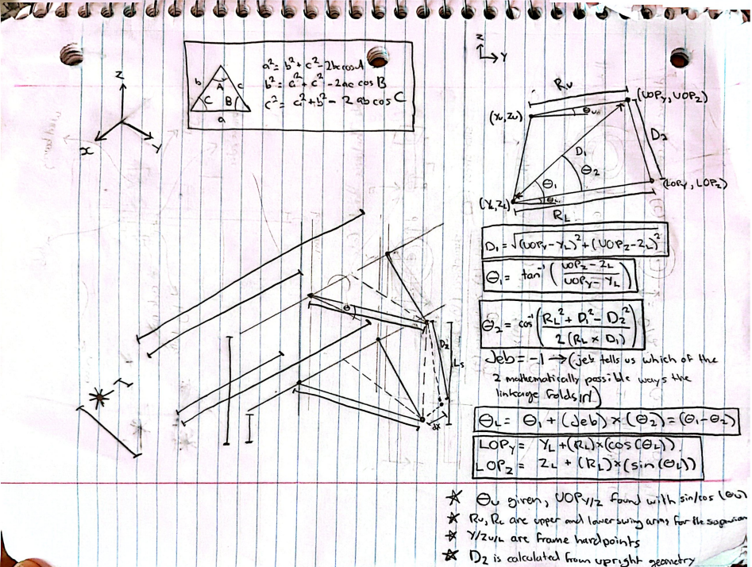
 |  |  |  | w_z | #DIV/0! | mm | z component of the cross product between k and arm_prime (corresponds to PN_z from the Rodriguez Video
 |  |  |  | F_x | #DIV/0! | mm | x coordinate of the point arounf which the steering arm rotates (L_x from the Rodriguez video)
 |  |  |  | F_y | #NUM! | mm | y coordinate of the point arounf which the steering arm rotates (L_y from the Rodriguez video)
 |  |  |  | F_z | #NUM! | mm | z coordinate of the point arounf which the steering arm rotates (L_z from the Rodriguez video)
 |  |  |  | g_x | #DIV/0! | mm | x component of the vector from TI to point F
 |  |  |  | g_y | #NUM! | mm | y component of the vector from TI to point F
 |  |  |  | g_z | #NUM! | mm | z component of the vector from TI to point F

 |  |  |  | Calculated Final Steering Values (Tie Rod Spin Equation)
 |  |  |  | Parameter Name | Value | Unit | Description
 |  |  |  | A_coeff | #DIV/0! | mm^2 | Weight of the cos term in the spin equation (A cos + B sin = C) 2x the dot product of g (the vector from the tie-rod anchor TI to the circle center L) with R⊥ (the rest-radius LM).
 |  |  |  | B_coeff | #DIV/0! | mm^2 | The weight on the sine term. Twice the dot product of g with w (the full-length partner radius, 90° around the circle in the n_hat x R direction).
 |  |  |  | C_coeff | #NUM! | mm^2 | The fixed target the cosine-and-sine combination must equal.
 |  |  |  | R_amp | #DIV/0! | mm^2 | The amplitude of the single combined wave. Adding a cosine wave weighted by A to a sine wave weighted by B always gives one wave, this is its height.
 |  |  |  | delta | #DIV/0! | deg | The phase shift of the combined wave
 |  |  |  | phi | #DIV/0! | deg | The spin angle (the amount the rest-radius LM must rotate about the axis n to become the actual radius LN)
 |  |  |  | head_x | #DIV/0! | n/a | The fore/aft component of the wheel's forward-pointing arrow after it's been spun by φ about the axis n̂.
 |  |  |  | head_y | #NUM! | n/a | The lateral component of that same spun forward arrow
Toe vs Wheel Travel (BUMP STEER)
 |  |  |  | TOE ANGLE | #DIV/0! | deg | The wheel's steer angle

